Application Screen
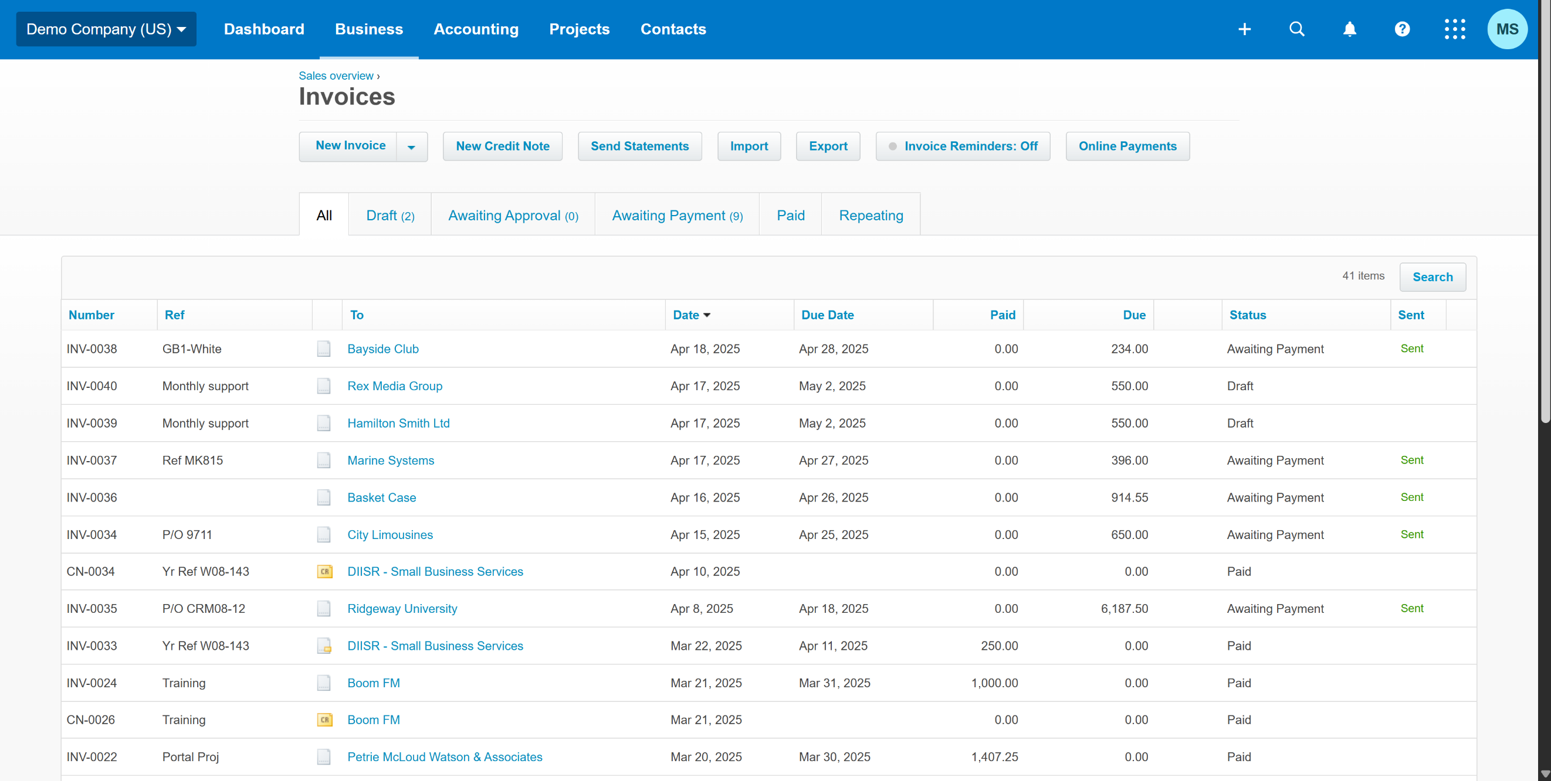

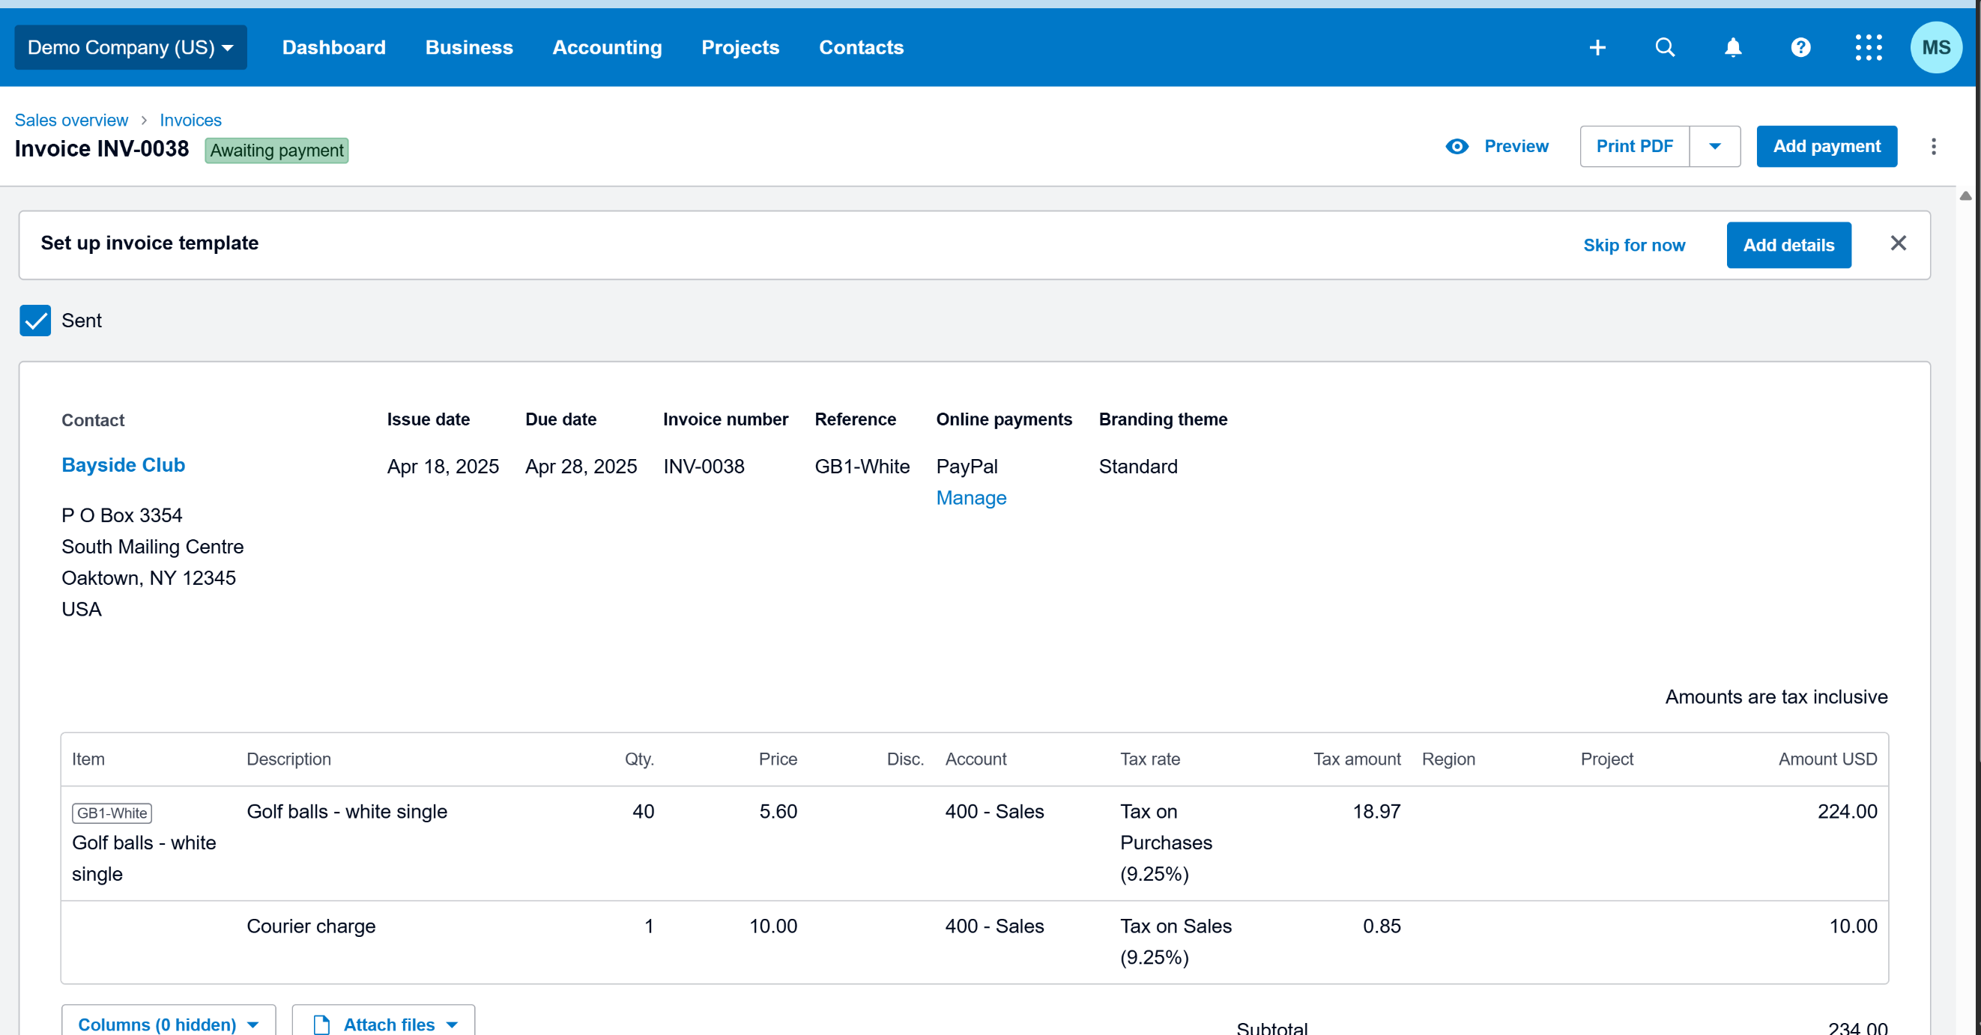

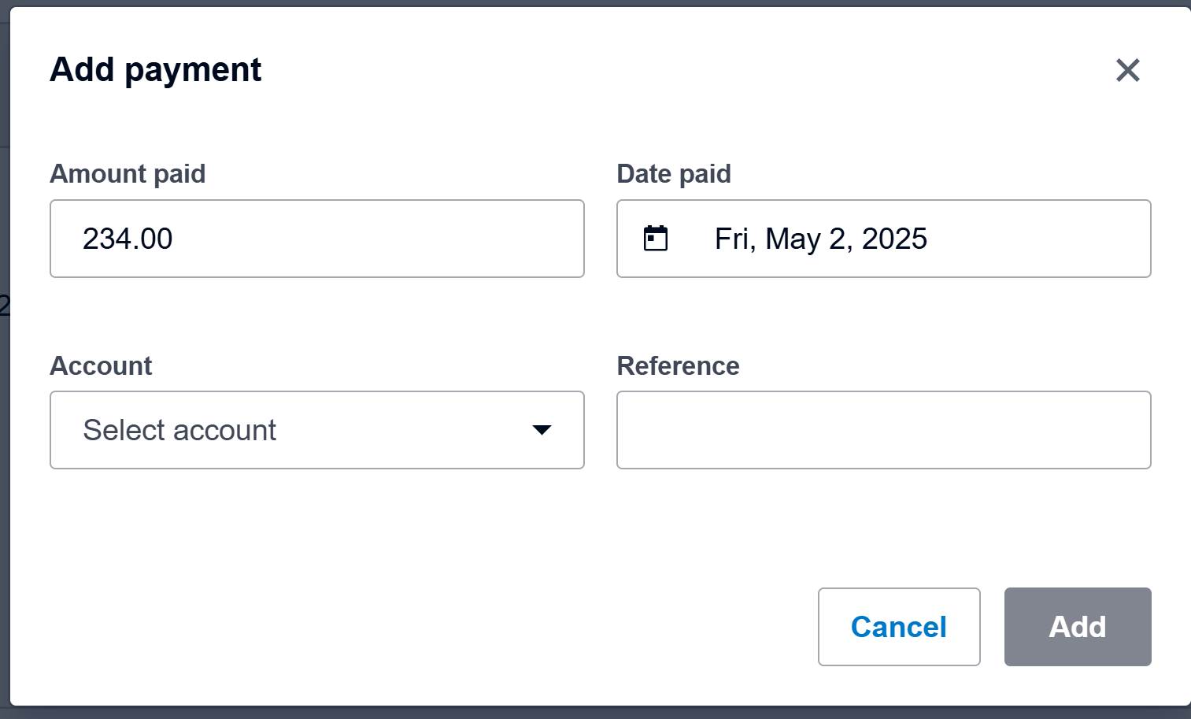

Test Case 17
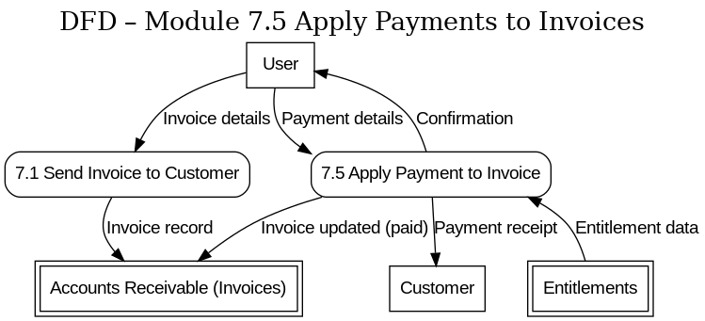
TC Title: | TC17. Apply Payments to Invoices – Data Flow Out Testing(DF-Out)

TC Objective: | Verify that when a payment is applied to an invoice, the relevant data flows out to other parts of the system

Test Data (optional): | User: Admin (admin@demo.com, pass: abcd@1234); Invoice: "INV-0028"

TC Description
 | Step | Step Description | Expected Results
 | 1 | Log in as Admin | Login is successful.
 | 2 | Navigate to "Invoices" > "Awaiting Payment" | Dashboard is displayed.
 | 3 | Ensure there is an unpaid invoice INV-0028 | Invoice INV-0028 is ready in the system with status Awaiting Payment.
 | 4 | Click “Add Payment.” In the payment form, select an appropriate Bank Account. | The payment is applied successfully to INV-0028.
 | 5 | Verify the invoice status and details have changed on the invoice screen for INV-0028. | INV-0280 shows status Paid, with a payment record of $90.
 | 6 | Navigate to the Accounting > Bank Accounts | The bank account transactions page is displayed, showing recent transactions.
 | 7 | Locate the payment that was just made for INV-0028 in the bank account’s transaction list | A Spend Money or Receive Money transaction for $90 is present in the bank account ledger, corresponding to the payment applied to INV-0028.
 | 8 | Verify that financial reports reflect the payment | Sushant’s outstanding balance is reduced by $90.
 | 9 | Verify that if there is a receipt or payment confirmation. | A payment receipt can be generated or an email can be sent to 'Sushant' confirming the payment, demonstrating another form of data output from the payment action.

